Sheet1
Product Description | Image | Quantity | RRP | Total RRP | Product Link
Mobvoi Home Treadmill SE- UK | 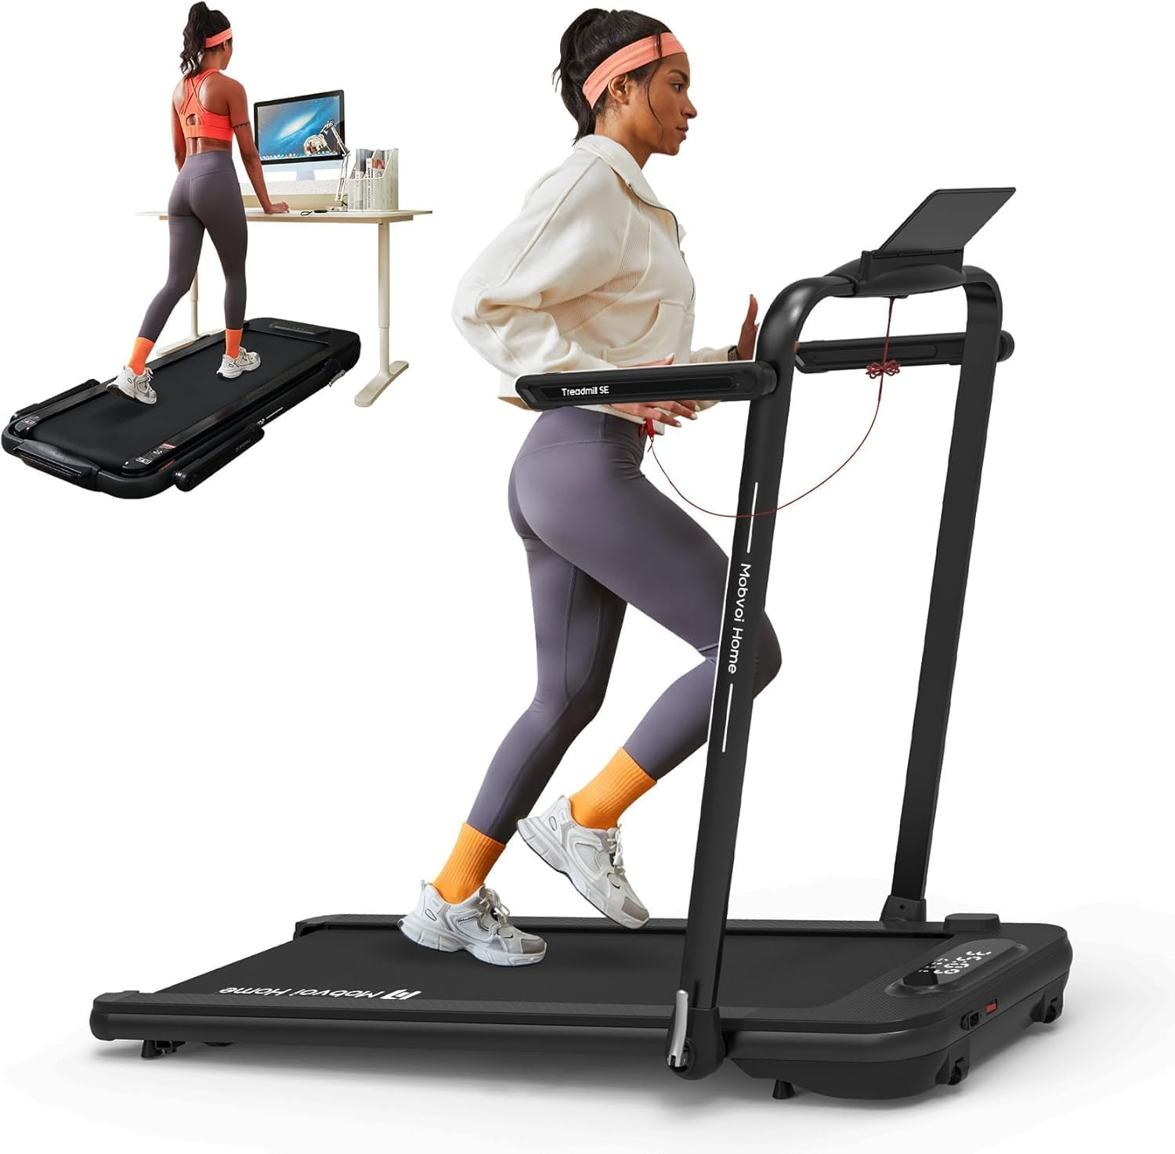 | 1009 | £289.99 | £292,599.91 | https://www.mobvoi.com/uk/products/mobvoihometreadmillse
Mobvoi Home Treadmill Plus- UK-Incline | 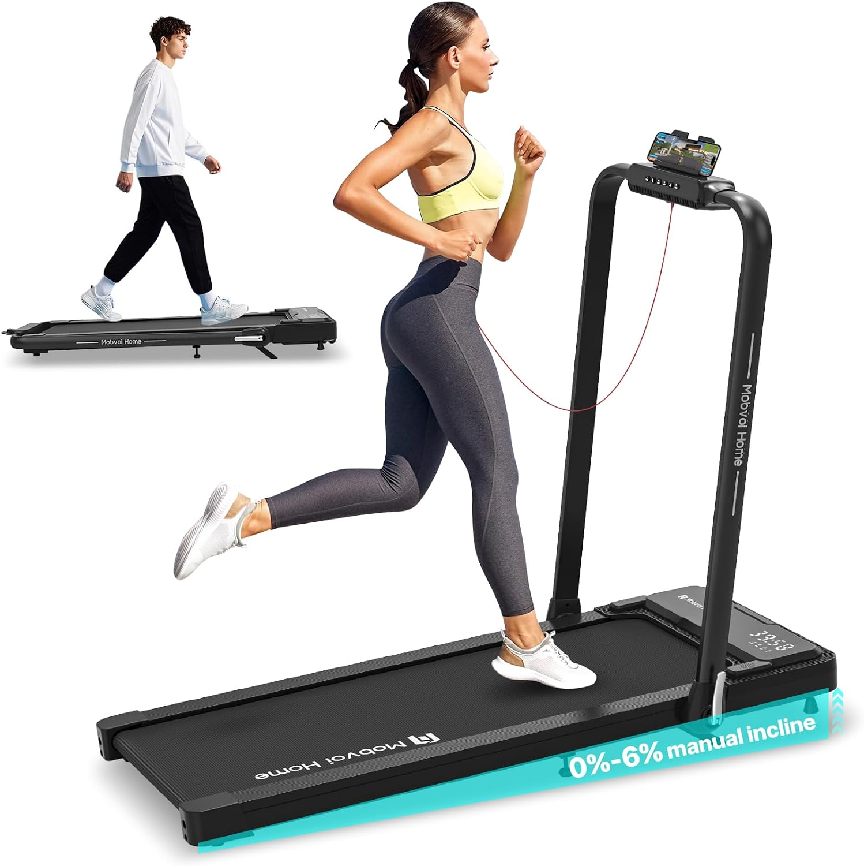 | 1564 | £299.99 | £469,184.36 | https://www.mobvoi.com/uk/products/mobvoihometreadmillplus
Mobvoi Home Treadmill SE- UK- Silver | 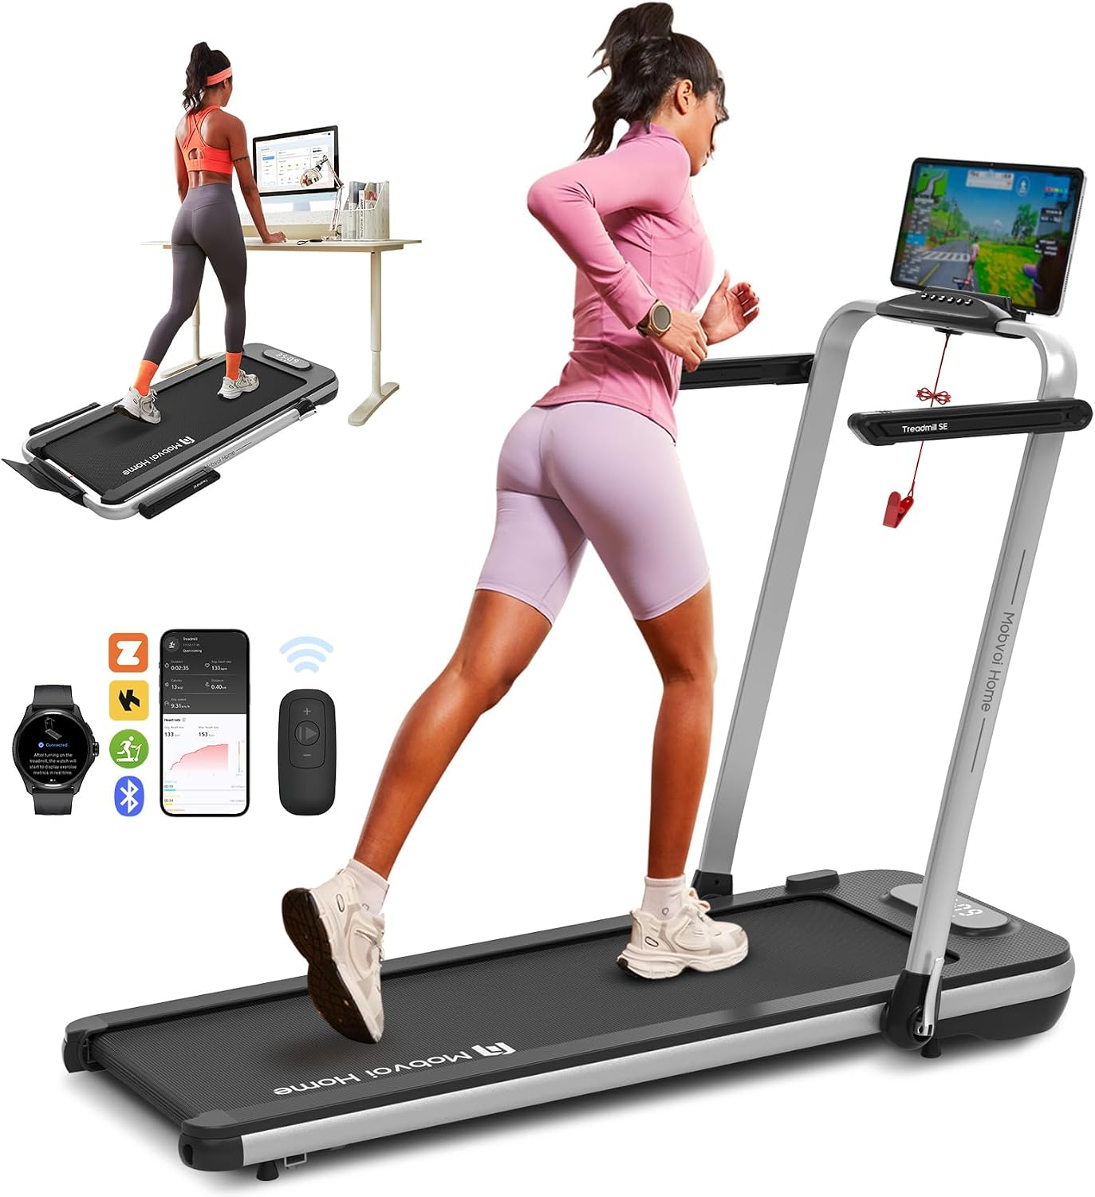 | 1188 | £289.99 | £344,508.12 | https://www.mobvoi.com/uk/products/mobvoihometreadmillse
 |  | 3761 |  | £1,106,292.39

